Sales
2022-12-01 | 12/1/2022 | 12/2/2022 | 12/3/2022 | 12/4/2022 | 12/5/2022 | 12/6/2022 | 12/7/2022 | 12/8/2022 | 12/9/2022 | 12/10/2022 | 12/11/2022 | 12/12/2022 | 12/13/2022 | 12/14/2022 | 12/15/2022 | 12/16/2022 | 12/17/2022 | 12/18/2022 | 12/19/2022 | 12/20/2022 | 12/21/2022 | 12/22/2022 | 12/23/2022 | 12/24/2022 | 12/25/2022 | 12/26/2022 | 12/27/2022 | 12/28/2022 | 12/29/2022 | 12/30/2022 | 12/31/2022
 | THU | FRI | SAT | SUN | MON | TUE | WED | THU | FRI | SAT | SUN | MON | TUE | WED | THU | FRI | SAT | SUN | MON | TUE | WED | THU | FRI | SAT | SUN | MON | TUE | WED | THU | FRI | SAT
Weekend Work |  |  | Peter | Peter |  |  |  |  |  | Beno | Beno |  |  |  |  |  | Gaja | Gaja |  |  |  |  |  | Peter | Peter | Peter |  |  | Gaja | Gaja | Gaja

Notes |  |  | ATC doesn't work on bundles | Pre-order/pre-order/pre-order-2 testing |  | Pre-order-2/pre-order-3 testing since 12:00 pm |  |  |  |  |  |  |  | EU&Scandi shipping open at 15:15 | Optimize test started at midnight | Sent preorder email with 10% off to Ellen list | Optimize test starts at midnight |  | No more shipping by Christmas gift cards messaging |  |  | Seed Gifting: Test 1 | Seed Gifting: Test 2 | A/B Test shipping dates from midnight |  |  |  |  |  | Seed Gifting: Test 4 (reminder email)
 | Edited orders -> Splitting BB+Solar |  |  |  |  |  | A lot of WATER25 orders for $26.50 |  |  |  |  |  |  |  |  | Optimize test paused at 13:55 |  |  |  |  |  |  |  | Seed Gifting: Test 3 (final email to full list) | BUDDY discount codes |  |  |  |  | A lot of accessories with BUDDY discount codes sold

Shopify | $40,869.79 | $27,613.68 | $38,261.88 | $47,305.92 | $50,517.08 | $42,754.36 | $49,653.59 | $43,247.27 | $36,938.60 | $34,215.58 | $44,757.00 | $46,379.68 | $40,351.72 | $28,464.59 | $30,838.18 | $44,192.61 | $42,564.27 | $38,166.13 | $38,611.73 | $30,417.67 | $32,220.37 | $43,987.75 | $45,913.11 | $81,921.19 | $60,611.95 | $50,096.35 | $41,101.22 | $30,988.79 | $31,154.39 | $48,366.49 | $37,326.60
Total Revenue | $40,869.79 | $27,613.68 | $38,261.88 | $47,305.92 | $50,517.08 | $42,754.36 | $49,653.59 | $43,247.27 | $36,938.60 | $34,215.58 | $44,757.00 | $46,379.68 | $40,351.72 | $28,464.59 | $30,838.18 | $44,192.61 | $42,564.27 | $38,166.13 | $38,611.73 | $30,417.67 | $32,220.37 | $43,987.75 | $45,913.11 | $81,921.19 | $60,611.95 | $50,096.35 | $41,101.22 | $30,988.79 | $31,154.39 | $48,366.49 | $37,326.60
Orders | 154 | 119 | 152 | 199 | 196 | 161 | 302 | 177 | 150 | 143 | 173 | 175 | 152 | 116 | 119 | 160 | 165 | 155 | 150 | 117 | 124 | 168 | 175 | 446 | 306 | 309 | 229 | 181 | 194 | 382 | 235

FB - US & CA | $7,589.65 | $7,169.78 | $7,855.63 | $7,469.13 | $7,751.77 | $7,658.47 | $7,229.76 | $5,987.45 | $5,791.98 | $6,256.58 | $7,041.45 | $6,812.08 | $5,875.81 | $2,865.10 | $3,919.44 | $4,452.27 | $5,032.96 | $4,189.70 | $3,885.07 | $5,552.23 | $8,573.73 | $8,815.19 | $8,243.29 | $8,283.93 | $10,658.82 | $11,163.08 | $9,394.00 | $4,803.11 | $4,727.39 | $5,360.58 | $5,736.38
Google - WW | $1,790.00 | $2,259.40 | $2,363.01 | $1,850.00 | $2,040.00 | $2,460.00 | $3,580.00 | $3,330.00 | $2,892.94 | $2,907.21 | $2,840.00 | $2,640.00 | $2,140.00 | $1,990.00 | $1,850.00 | $1,800.00 | $1,770.00 | $1,560.00 | $1,430.00 | $1,360.00 | $1,550.00 | $1,980.00 | $2,430.77 | $2,815.97 | $3,246.24 | $2,820.00 | $2,709.13 | $2,680.00 | $2,470.00 | $2,460.00 | $2,560.00
Bing - WW | $131.23 | $85.18 | $55.26 | $86.66 | $108.35 | $86.54 | $94.08 | $100.47 | $79.37 | $61.10 | $67.11 | $107.14 | $86.48 | $66.63 | $66.05 | $151.60 | $104.42 | $54.33 | $86.09 | $75.89 | $67.89 | $57.71 | $57.59 | $72.22 | $122.13 | $156.15 | $137.60 | $138.65 | $130.74 | $108.28 | $93.13
TikTok - US & CA | $2,588.94 | $976.95 | $693.00 | $679.82 | $697.64 | $700.00 | $387.40 | $0.00 | $0.00 | $0.00 | $0.00 | $0.00 | $0.00 | $60.75 | $145.80 | $146.20 | $150.00 | $150.00 | $150.00 | $146.01 | $150.00 | $147.59 | $149.78 | $87.48 | $0.00 | $0.00 | $0.00 | $0.00 | $0.00 | $0.00 | $0.00
MNTN TV | $0.00 | $0.00 | $0.00 | $0.00 | $0.00 | $0.00 | $0.00 | $0.00 | $0.00 | $0.00 | $0.00 | $0.00 | $0.00 | $0.00 | $0.00 | $0.00 | $0.00 | $0.00 | $0.00 | $0.00 | $0.00 | $0.00 | $0.00 | $0.00 | $0.00 | $0.00 | $0.00 | $0.00 | $0.00 | $0.00 | $0.00
Affiliate Fees - US |  | $4.11 |  |  |  |  |  |  | $68.97 |  |  |  |  |  |  |  | $69.14 |  |  | $63.69 |  |  |  |  |  |  |  | $137.06 |  |  | $18.58
Total Spend | $12,099.82 | $10,495.42 | $10,966.90 | $10,085.61 | $10,597.76 | $10,905.01 | $11,291.24 | $9,417.92 | $8,833.26 | $9,224.89 | $9,948.56 | $9,559.22 | $8,102.29 | $4,982.48 | $5,981.29 | $6,550.07 | $7,126.52 | $5,954.03 | $5,551.16 | $7,197.82 | $10,341.62 | $11,000.49 | $10,881.43 | $11,259.60 | $14,027.19 | $14,139.23 | $12,240.73 | $7,758.82 | $7,328.13 | $7,928.86 | $8,408.09

ROAS | 3.38 | 2.63 | 3.49 | 4.69 | 4.77 | 3.92 | 4.40 | 4.59 | 4.18 | 3.71 | 4.50 | 4.85 | 4.98 | 5.71 | 5.16 | 6.75 | 5.97 | 6.41 | 6.96 | 4.23 | 3.12 | 4.00 | 4.22 | 7.28 | 4.32 | 3.54 | 3.36 | 3.99 | 4.25 | 6.10 | 4.44
CAC | $78.57 | $88.20 | $72.15 | $50.68 | $54.07 | $67.73 | $37.39 | $53.21 | $58.89 | $64.51 | $57.51 | $54.62 | $53.30 | $42.95 | $50.26 | $40.94 | $43.19 | $38.41 | $37.01 | $61.52 | $83.40 | $65.48 | $62.18 | $25.25 | $45.84 | $45.76 | $53.45 | $42.87 | $37.77 | $20.76 | $35.78
CR | 0.81% | 0.74% | 0.88% | 1.13% | 1.20% | 1.01% | 1.72% | 1.43% | 1.48% | 1.38% | 1.48% | 1.55% | 1.37% | 1.35% | 1.22% | 1.33% | 1.65% | 1.79% | 1.63% | 1.12% | 1.16% | 1.65% | 1.78% | 3.65% | 1.89% | 1.80% | 1.66% | 1.64% | 1.88% | 3.22% | 1.92%
AOV | $265.39 | $232.05 | $251.72 | $237.72 | $257.74 | $265.56 | $164.42 | $244.33 | $246.26 | $239.27 | $258.71 | $265.03 | $265.47 | $245.38 | $259.14 | $276.20 | $257.97 | $246.23 | $257.41 | $259.98 | $259.84 | $261.83 | $262.36 | $183.68 | $198.08 | $162.12 | $179.48 | $171.21 | $160.59 | $126.61 | $158.84
fAOV | $283.58 | $256.77 | $281.69 | $267.66 | $286.99 | $291.71 | $253.15 | $276.60 | $276.03 | $261.81 | $278.95 | $279.65 | $287.01 | $265.46 | $282.81 | $287.43 | $281.93 | $271.05 | $276.40 | $292.31 | $296.68 | $302.42 | $288.42 | $228.38 | $229.61 | $182.05 | $200.42 | $191.00 | $189.05 | $160.55 | $177.65
rAOV | $104.72 | $105.20 | $118.99 | $75.47 | $119.81 | $123.25 | $51.66 | $113.44 | $116.54 | $137.85 | $162.24 | $188.27 | $156.03 | $128.50 | $117.17 | $149.26 | $118.57 | $117.17 | $170.93 | $112.17 | $118.02 | $140.06 | $135.94 | $113.81 | $102.66 | $106.04 | $124.77 | $99.44 | $98.53 | $86.83 | $114.49

Customers
Returning | 10.39% | 17.65% | 18.42% | 15.58% | 18.88% | 15.53% | 44.04% | 19.77% | 18.67% | 18.18% | 17.34% | 16.00% | 16.45% | 14.66% | 14.29% | 8.13% | 15.15% | 16.13% | 18.00% | 17.95% | 20.97% | 25.00% | 19.43% | 39.01% | 24.84% | 26.21% | 29.69% | 23.76% | 31.44% | 46.07% | 29.79%
First-time | 89.61% | 82.35% | 81.58% | 84.42% | 81.12% | 84.47% | 55.96% | 80.23% | 81.33% | 81.82% | 82.66% | 84.00% | 83.55% | 85.34% | 85.71% | 91.88% | 84.85% | 83.87% | 82.00% | 82.05% | 79.03% | 75.00% | 80.57% | 60.99% | 75.16% | 73.79% | 70.31% | 76.24% | 68.56% | 53.93% | 70.21%

Post-purchase Survey
Facebook / Instagram | 45.24% | 38.24% | 46.81% | 35.82% | 36.36% | 36.96% | 47.46% | 38.10% | 46.67% | 26.67% | 52.83% | 37.50% | 43.18% | 28.57% | 39.29% | 33.33% | 29.82% | 34.78% | 43.48% | 37.50% | 29.27% | 39.13% | 36.36% | 36.75% | 41.25% | 29.17% | 23.81% | 20.00% | 25.00% | 22.61% | 22.37%
Friends / Family | 42.86% | 47.06% | 42.55% | 44.78% | 50.00% | 45.65% | 33.90% | 47.62% | 35.56% | 53.33% | 41.51% | 42.86% | 43.18% | 65.71% | 39.29% | 40.00% | 52.63% | 50.00% | 47.83% | 50.00% | 43.90% | 39.13% | 49.09% | 52.99% | 45.00% | 65.63% | 68.25% | 71.67% | 62.00% | 61.74% | 71.05%
Google, Yahoo, Bing | 0.00% | 5.88% | 0.00% | 2.99% | 3.03% | 4.35% | 6.78% | 2.38% | 8.89% | 6.67% | 0.00% | 7.14% | 2.27% | 0.00% | 3.57% | 1.67% | 3.51% | 6.52% | 2.17% | 6.25% | 12.20% | 6.52% | 3.64% | 5.13% | 1.25% | 0.00% | 0.00% | 0.00% | 1.56% | 5.22% | 1.32%
Pinterest | 0.00% | 0.00% | 0.00% | 0.00% | 0.00% | 0.00% | 0.00% | 0.00% | 0.00% | 0.00% | 0.00% | 1.79% | 0.00% | 0.00% | 0.00% | 0.00% | 1.75% | 0.00% | 0.00% | 0.00% | 0.00% | 0.00% | 0.00% | 0.00% | 1.25% | 0.00% | 0.00% | 0.00% | 0.00% | 0.00% | 1.32%
TikTok | 9.52% | 2.94% | 6.38% | 11.94% | 7.58% | 13.04% | 5.08% | 11.90% | 0.00% | 10.00% | 5.66% | 7.14% | 9.09% | 2.86% | 10.71% | 0.00% | 5.26% | 2.17% | 4.35% | 6.25% | 4.88% | 8.70% | 9.09% | 0.85% | 6.25% | 4.17% | 1.59% | 5.00% | 3.13% | 3.48% | 1.32%
TV / Radio | 0.00% | 2.94% | 2.13% | 0.00% | 1.52% | 0.00% | 0.00% | 0.00% | 2.22% | 3.33% | 0.00% | 0.00% | 0.00% | 0.00% | 7.14% | 25.00% | 5.26% | 2.17% | 0.00% | 0.00% | 2.44% | 0.00% | 0.00% | 1.71% | 2.50% | 1.04% | 0.00% | 1.67% | 4.69% | 1.74% | 0.00%
Blog / Article | 2.38% | 2.94% | 2.13% | 4.48% | 1.52% | 0.00% | 6.78% | 0.00% | 6.67% | 0.00% | 0.00% | 3.57% | 2.27% | 2.86% | 0.00% | 0.00% | 1.75% | 4.35% | 2.17% | 0.00% | 7.32% | 6.52% | 1.82% | 2.56% | 2.50% | 0.00% | 6.35% | 1.67% | 3.13% | 5.22% | 2.63%

 | 2022-12-01 | Goal | % of Goal
Revenue | $1,299,809.54 |  | #DIV/0!
Spend | $290,185.46 |  | #DIV/0!
ROAS | 4.48 |  | #DIV/0!
CAC | $48.49
CR | 1.55% |  | #DIV/0!
AOV | $217.21 |  | #DIV/0!
fAOV | $257.59
rAOV | $120.25
Orders | 5,984
Units Sold | 3,705 |  | #DIV/0!
CAC per Unit | $78.32 |  | #DIV/0!
First-time customers | 78.47%
Returning customers | 21.53%

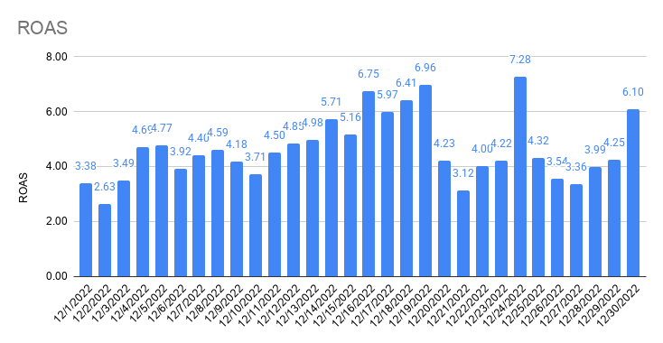
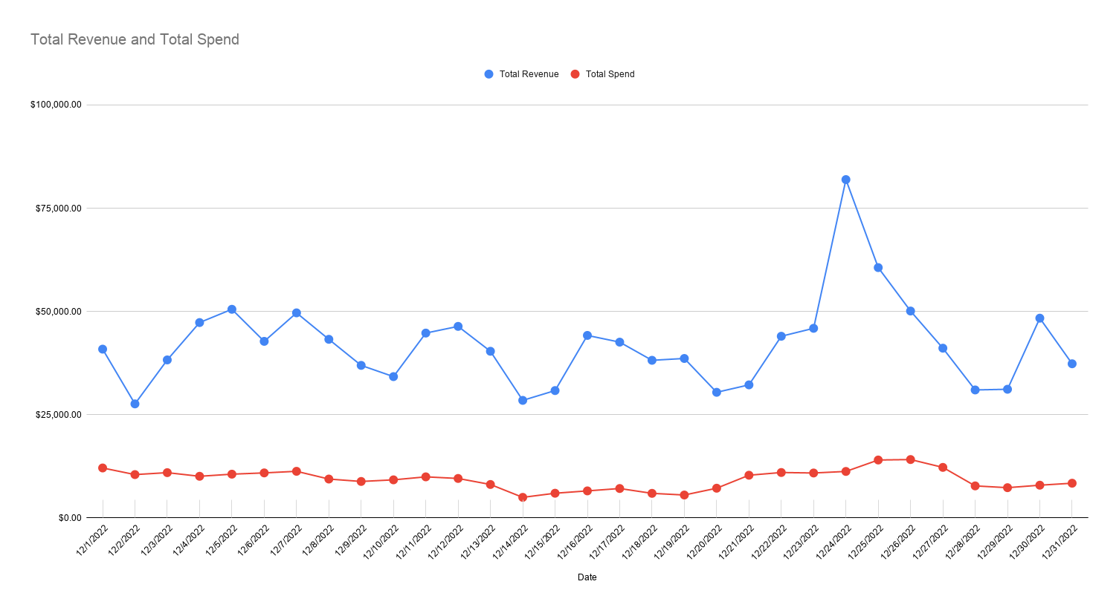

Total Revenue and Total Spend

